Sheet1
RNN Basic
 | Recurrent Neural Network ( RNN )

 | CNN
 |  | - to extract feature
 |  | - images , videos
 |  | - metrics

 | Why RNN needed ?

 |  | - CNN is used to extract feature
 |  | - Images -> kernel -> feature -> Forward NN
 |  | - CNN

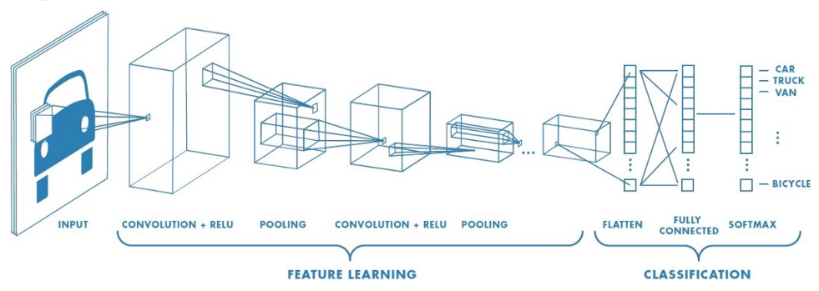

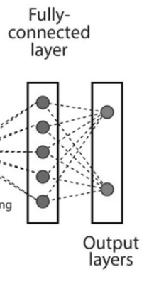

 |  |  |  | Kernel |  |  | feature | Flat memory
Image

 |  |  |  |  | Convolution

 | - Another image ----> Some class

 | - Now in the next image , is it able to remember what is the image passed last time ?

 |  | No

 | - Learning is different .
 | - Not able to understand what happened at T-1
 | - So we need to remember last time
 |  |  | question
 |  |  | context
 |  |  | subject
 | - In CNN Neural Network :

 |  | - It doesn't remember what has happened last time .
 |  | - So CNN fails here .
 |  | - So convolution system cann't be made using CNN .

 | So RNN came into picture to remember these drawbacks .

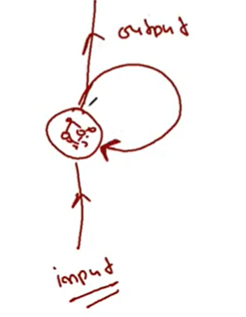
1
 |  |  |  | output as input

 |  |  |  | Next time ,

 |  |  |  |  | Input
 |  |  |  |  | +
 |  |  |  |  | Previous output as input .

 |  |  |  | input = current + last output as input

 |  | So my problem will be solved .
 |  | So RNN is introduced to memorize context .

2 | Research paper of RNN

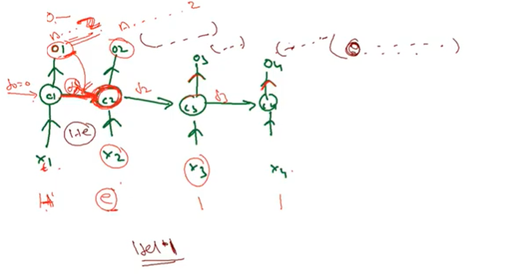
 |  | - Fundamentals of RNN & LSTM
 |  |  |  |  |  |  |  |  | f1 - feedback as input

 |  |  |  |  |  |  |  |  | Neural Network

 |  | - Auto completion in phone while typing .
 |  | - Let's say you typed your name 3 times , next time on it will remember the Name .
 |  | - Hello | Next Char based on probability . So say found 'o' .
 |  | - This kind of entire architecture is called Sequencial Nextwork ( Multiple RNN ) .
 |  | - One Unit is called RNN

 |  | - Purpose :
 |  |  | Input -> Next Output

3 | Types

 | [SeqtoSeq] |  |  |  |  |  |  | [SeqtoVec]

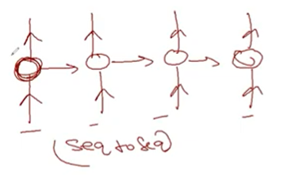
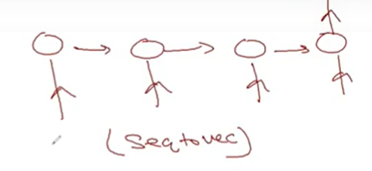
 |  |  |  |  | - Many to Many |  |  |  |  |  | - many input one output
 |  |  |  |  | - gmail responses in sentences |  |  |  |  |  | - How are you ? - Fine
 |  |  |  |  | - newspaper -> summary

 | [VectoSeq] |  |  |  |  |  |  | [VectoVec]
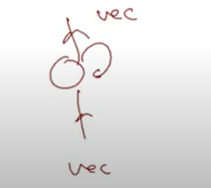
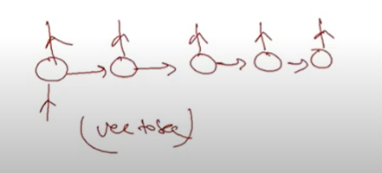
 |  |  |  |  |  | - One input , multiple output |  |  |  | - Vector to Vector
 |  |  |  |  |  | - Hey | What's up |  |  | - one input one output
 |  |  |  |  |  |  | How are you |  |  | - hi -> hello
 |  |  |  |  |  |  | How do you do

4
 | Sequence to Sequence Research Paper
 |  | https://arxiv.org/pdf/1409.3215.pdf

5
 | There are various variants of RNN presents

 |  | LSTM
 |  | GRU
 |  | Peephole
 |  | Bi-LSTM
 |  | Stacked LSTM

